test-activity
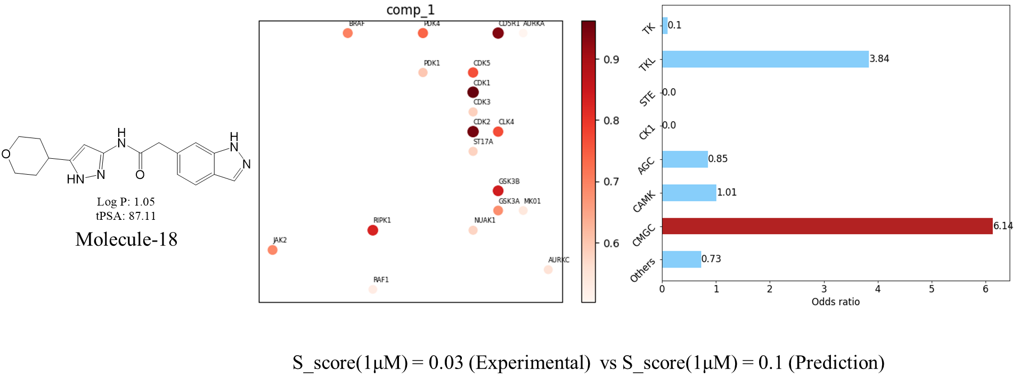
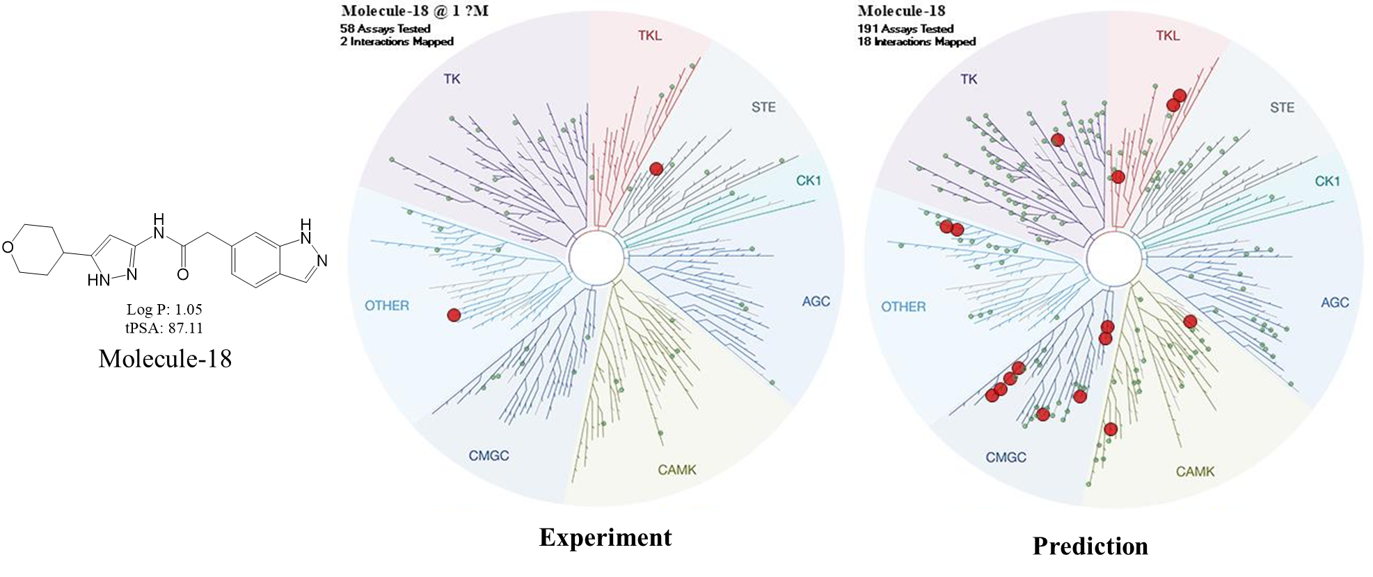
Comps\Enzyme Ki (nM) | smiles | CDK-2/CycE1 | CDK-4/CycD3 | CDK-6/CycD3 | Selectivity
Molecule-10 | [H]N(C1=NC=C(CN2CCOCC2)C=C1)[C@]1([H])CCC2=C1C=CC=C2 | >10000 | —— | —— | ——
Molecule-11 | O=C(N1)C(C2=C(S3)CCCCC2)=C3N=C1CC4=CNN=C4 | 193 | >10000 | >10000 | >51
Molecule-17 | FC1=CC=CC(C2=NC=NC(NC3C[C@@H]4CC[C@@H](N4S(C)(=O)=O)C3)=N2)=C1 | 806 | 535 | 339 | ——
Molecule-18 | O=C(CC1=CC=C2C=NNC2=C1)NC3=NNC(C4CCOCC4)=C3 | 321 | >10000 | >10000 | >31
Molecule-20 | O[C@@H]1C[C@H]2C[C@@H]1CC2CNC(NC3=NC=C(C4CCOCC4)S3)=O | 827 | >10000 | >10000 | >12
Molecule-21 | [H]N(C(=O)C[C@]1([H])CCC2=C(C1)C=CC=C2)C1=NN([H])C(=C1)C1([H])CCOCC1 | 1752 | >10000 | >10000 | >5.7
Molecule-23 | [H]N([H])S(=O)(=O)C1=CC=C(C=C1)C1=NC2=CC=C(C=C2C(=O)N1[H])C([H])(C)C | 2001 | >10000 | >10000 | >5
Molecule-25 | [H]N(C[C@]1(C)CCOC1)C(=O)N([H])C1=NC=C(S1)C1([H])CCOCC1 | 4057 | >10000 | >10000 | ——

